Workday
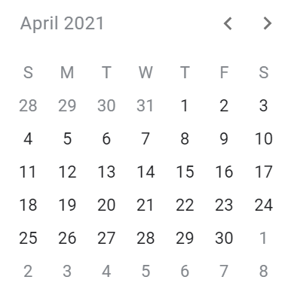
Date | 7 business days | 2021 public holidays
2021-01-01 |  | 2021-01-01
2021-02-03 |  | 2021-01-06
2021-03-05 |  | 2021-04-05
2021-04-01 |  | 2021-05-01
2021-06-09 |  | 2021-05-13
2021-07-13 |  | 2021-05-24
2021-08-14 |  | 2021-06-03
2021-09-15 |  | 2021-08-15
2021-10-16 |  | 2021-10-26
2021-11-18 |  | 2021-11-01
2021-12-19 |  | 2021-12-08
 |  | 2021-12-25
 |  | 2021-12-26

3D Formula

Total | 301,187.00

Total | 271,555.00

